Daily Challenge 1 - Cleaning
INSTRUCTIONS:
1. Clean the data to be in readable formatt
2. Create a filter for all products with a profit margin of over 10% and color those cells blue.

Date | Client | Contact | Department | Payment | Revenue | Profit | Profit Margin
2023-05-30 | AMAZON.COM, INC. | Bill Smith | Cloud Tech_Texas | Transfer | $4,500 | $598 | 13.3%
2023-05-30 | TESLA, INC. | Ken Singh | Strategy_New York | PayPal | $3,800 | $1,045 | 27.5%
2023-05-30 | NETFLIX, INC. | Harley Fritz | Strategy_New York |  | $3,713 | $1,009 | 27.2%
2023-05-30 | THE PROCTER & GAMBLE COMPANY | Nyla Novak | Operations_Florida |  | $5,569 | $779 | 14.0%
2023-05-30 | THE GOLDMAN SACHS GROUP, INC. | David Rasmussen | Operations_Florida | Check | $5,000 | $684 | 13.7%
2023-05-31 | JPMORGAN CHASE & CO. | Ivan Hiney | Cloud Tech_Texas | Transfer | $6,100 | $544 | 8.9%
2023-05-31 | MORGAN STANLEY | Jonha Ma | Cloud Tech_Texas | Transfer | $4,625 | $670 | 14.5%
2023-05-31 | CITIGROUP INC. | Jordan Boone | Cloud Tech_Texas | Transfer | $3,800 | $2,045 | 53.8%
2023-05-31 | BANK OF AMERICA CORPORATION | Kylee Townsend | Cloud Tech_Texas | Card | $3,600 | $1,564 | 43.4%
2023-05-31 | WALMART INC. | Nora Rollins | Cloud Tech_Texas | Check | $5,100 | $1,220 | 23.9%
2023-05-31 | TARGET CORPORATION | Brendan Wallace | Cloud Tech_Texas | Check | $4,750 | $1,435 | 30.2%
2023-05-31 | COSTCO WHOLESALE CORPORATION | Conor Wise | Operations_Florida | Transfer | $6,000 | $998 | 16.6%
2023-05-31 | MCDONALD'S CORPORATION | Steven Michael | Big Data_California | Check | $4,500 | $780 | 17.3%
2023-06-01 | EXXON MOBIL CORPORATION | Lucia Mckay | Big Data_California | Card | $6,750 | $1,044 | 15.5%
2023-06-01 | VERIZON COMMUNICATIONS INC. | Jose Roach | Big Data_California | Transfer | $3,713 | $1,222 | 32.9%
2023-06-01 | THE HOME DEPOT, INC. | Franklin Wrigt | Big Data_California | Transfer | $4,950 | $1,065 | 21.5%
2023-06-01 | CISCO SYSTEMS, INC. | Alia Thornton | Operations_Florida | Transfer | $4,750 | $810 | 17.1%
2023-06-01 | CHEVRON CORPORATION | Denzel Flores | Operations_Florida | Transfer | $7,320 | $933 | 12.7%
2023-05-31 | COSTCO WHOLESALE CORPORATION | Conor Wise | Operations_Florida | Transfer | $6,000 | $998 | 16.6%
2023-05-31 | MCDONALD'S CORPORATION | Steven Michael | Big Data_California | Check | $4,500 | $780 | 17.3%
2023-06-01 | AT&T INC. | Bruno Cordova | Big Data_California | Transfer | $5,088 | $655 | 12.9%
2023-06-01 | INTEL CORPORATION | Jaylynn Napp | Big Data_California | Transfer | $4,500 | $722 | 16.0%
2023-06-01 | GENERAL MOTORS COMPANY | Bruce Rich | Big Data_California | Card | $4,250 | $901 | 21.2%
2023-06-02 | MICROSOFT CORPORATION | Arturo Moore | Big Data_California | PayPal | $5,250 | $1,349 | 25.7%
2023-06-02 | COMCAST CORPORATION | Bryce Carpenter | Strategy_New York | PayPal | $6,500 | $1,288 | 19.8%
2023-06-02 | DELL TECHNOLOGIES INC. | Jaidyn Andersen | Strategy_New York | PayPal | $7,500 | $1,664 | 22.2%
2023-06-02 | JOHNSON & JOHNSON | Mark Walm | Strategy_New York | Transfer | $5,500 | $1,320 | 24.0%
2023-06-02 | FEDEX CORPORATION | Harry Lee | Strategy_New York | Transfer | $4,625 | $1,001 | 21.6%
2023-06-02 | GENERAL ELECTRIC COMPANY | Josh Johnson | Strategy_New York | Transfer | $4,500 | $960 | 21.3%
2023-06-02 | LOCKHEED MARTIN CORPORATION | Mik Naam | Strategy_New York | Card | $5,400 | $540 | 10.0%
2023-05-30 | THE GOLDMAN SACHS GROUP, INC. | David Rasmussen | Operations_Florida | Check | $5,000 | $684 | 13.7%

Daily Challenge 2 - IF
INSTRUCTIONS:
1. Create an if function to check if the transaction amount is greater than 15k. If So, return an output POSITIVE

Date | Transaction Nr | Account | Amount | Check?
2021-01-01 | 1002666 | Merchandise, Material, Supplies And Utilities | 11635
2021-01-01 | 1002734 | Merchandise, Material, Supplies And Utilities | 17883 | POSITIVE
2021-01-01 | 1002654 | Interest Expense | 17704 | POSITIVE
2021-01-01 | 1002080 | Services | 19562 | POSITIVE
2021-01-03 | 1001347 | Other Nonoperating Expense | 20664 | POSITIVE
2021-01-05 | 1001288 | Operating Lease | 18667 | POSITIVE
2021-01-05 | 1001555 | Services | 16730 | POSITIVE
2021-01-08 | 1003132 | Services | 18057 | POSITIVE
2021-01-08 | 1002090 | Merchandise, Material, Supplies And Utilities | 16305 | POSITIVE
2021-01-09 | 1001304 | Cost Of Goods Sold | 17813 | POSITIVE
2021-01-13 | 1003090 | Employee Related Expenses | 16024 | POSITIVE
2021-01-14 | 1001481 | Employee Related Expenses | 20579 | POSITIVE
2021-01-15 | 1002821 | Rent, Depreciation, and Amortization | 14001
2021-01-16 | 1001346 | Merchandise, Material, Supplies And Utilities | 17637 | POSITIVE
2021-01-18 | 1002366 | Cost Of Goods Sold | 13759

Daily Challenge 3 - SUMIFS
INSTRUCTIONS:
1. Create a function to sum all the employee related expenses after the date in cell H8
2. Create a function to get the mean spend before the date

Date | Transaction Nr | Account | Amount
2021-01-23 | 1002005 | Employee Related Expenses | 10592 |  |  |  | Average | 17635.25
2021-01-23 | 1002244 | Cost Of Goods Sold | 10899 | Services |  | $82,471.00
2021-01-28 | 1003145 | Operating Lease | 10965 | Employee related expenses | 2021-01-15
2021-01-01 | 1002666 | Merchandise, Material, Supplies And Utilities | 11635
2021-01-23 | 1002014 | Merchandise, Material, Supplies And Utilities | 11796
2021-01-18 | 1002366 | Cost Of Goods Sold | 13759
2021-01-15 | 1002821 | Rent, Depreciation, and Amortization | 14001
2021-01-27 | 1002810 | Merchandise, Material, Supplies And Utilities | 14090
2021-01-29 | 1001292 | Employee Related Expenses | 14703
2021-01-13 | 1003090 | Employee Related Expenses | 16024
2021-01-08 | 1002090 | Merchandise, Material, Supplies And Utilities | 16305
2021-01-05 | 1001555 | Services | 16730
2021-01-16 | 1001346 | Merchandise, Material, Supplies And Utilities | 17637
2021-01-01 | 1002654 | Interest Expense | 17704
2021-01-22 | 1002284 | Employee Related Expenses | 17732
2021-01-09 | 1001304 | Cost Of Goods Sold | 17813
2021-01-01 | 1002734 | Merchandise, Material, Supplies And Utilities | 17883
2021-01-19 | 1003037 | Employee Related Expenses | 17959
2021-01-08 | 1003132 | Services | 18057
2021-01-05 | 1001288 | Operating Lease | 18667
2021-01-01 | 1002080 | Services | 19562
2021-01-14 | 1001481 | Employee Related Expenses | 20579
2021-01-03 | 1001347 | Other Nonoperating Expense | 20664
2021-01-18 | 1001760 | Employee Related Expenses | 21485

Daily Challenge 4 - SumProduct
INSTRUCTIONS:
1. Create a Function to Sum the Total Cost to deliver the project

 |  | NSR
Name | Hours | Rate per Hour USD | Total Cost | % Allocation
Nyamu | 16 | $ 245
Odero | 32 | $ 202
Gichinga | 80 | $ 195
Ratemo | 16 | $ 126
Okongo | 48 | $ 89
Aloo | 48 | $ 49
Kamwaga | 32 | $ 49
 |  | 955

 | Sumproduct | 36,192

Daily Challenge 5 -Formartting
INSTRUCTIONS:
1. Replicate the Screenshot on the Side - Format Column D using icon sets and avoid errors.

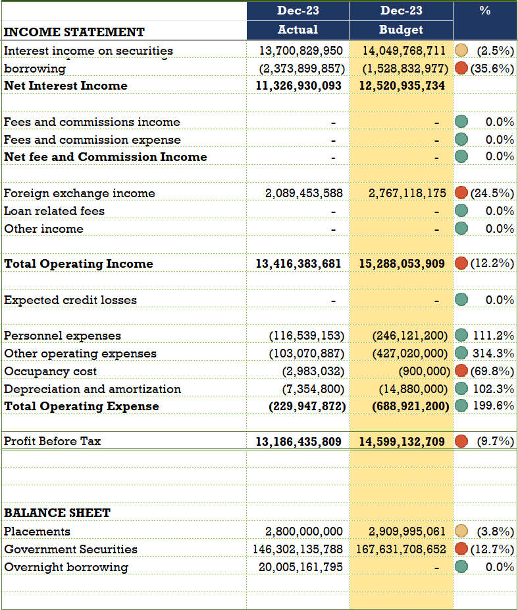
 | Dec-23 | Dec-23 | %
INCOME STATEMENT | Actual | Budget
Interest income on securities | 13,700,829,950 | 14,049,768,711 | (2.5%)
Interest Expense on overnight borrowing | (2,373,899,857) | (1,528,832,977) | 55.3%
Net Interest Income | 11,326,930,093 | 12,520,935,734 | (9.5%)
 |  |  | 0.0%
Fees and commissions income | - | - | 0.0%
Fees and commission expense | - | - | 0.0%
Net fee and Commission Income | - | - | 0.0%
 |  |  | 0.0%
Foreign exchange income | 2,089,453,588 | 2,767,118,175 | (24.5%)
Loan related fees | - | - | 0.0%
Other income | - | - | 0.0%
 |  |  | 0.0%
Total Operating Income | 13,416,383,681 | 15,288,053,909 | (12.2%)
 |  |  | 0.0%
Expected credit losses | - | - | 0.0%
 |  |  | 0.0%
Personnel expenses | (116,539,153) | (246,121,200) | (52.6%)
Other operating expenses | (103,070,887) | (427,020,000) | (75.9%)
Occupancy cost | (2,983,032) | (900,000) | 231.4%
Depreciation and amortization | (7,354,800) | (14,880,000) | (50.6%)
Total Operating Expense | (229,947,872) | (688,921,200) | (66.6%)
 |  |  | 0.0%
Profit Before Tax | 13,186,435,809 | 14,599,132,709 | (9.7%)
 |  |  | 0.0%
 |  |  | 0.0%
 |  |  | 0.0%
BALANCE SHEET |  |  | 0.0%
Placements | 2,800,000,000 | 2,909,995,061 | (3.8%)
Government Securities | 146,302,135,788 | 167,631,708,652 | (12.7%)
Overnight borrowing | 20,005,161,795 | - | 0.0%
 |  |  | 0.0%

Daily Challenge 6 - Vlook Up
INSTRUCTIONS:
1. Extract the Account Name given the Account Number using VLook Up.

Account # | Description | Amount | Master Data
5.1.1 | Cost Of Goods Sold | 17813 | Acct Nr | Account Name
5.1.1 | Cost Of Goods Sold | 13759 | 5.1.1 | Cost Of Goods Sold
5.1.1 | Cost Of Goods Sold | 10899 | 5.1.2 | Selling, General And Administrative Expenses
5.2.1 | Merchandise, Material, Supplies And Utilities | 17883 | 5.2.1 | Merchandise, Material, Supplies And Utilities
5.2.2 | Employee Related Expenses | 16024 | 5.2.2 | Employee Related Expenses
5.2.1 | Merchandise, Material, Supplies And Utilities | 11635 | 5.2.3 | Services
5.2.2 | Employee Related Expenses | 20579 | 5.2.4 | Rent, Depreciation, and Amortization
5.2.1 | Merchandise, Material, Supplies And Utilities | 14090 | 6.1.3 | Rental Income, Nonoperating
5.2.2 | Employee Related Expenses | 21485 | 6.1.7 | Operating Lease
5.2.3 | Services | 16730 | 6.8.1 | Other Nonoperating Income
5.2.4 | Rent, Depreciation, and Amortization | 14001 | 6.8.2 | Other Nonoperating Expense
6.1.3 | Rental Income, Nonoperating | 18440 | 7.1.1 | Interest Expense
5.2.1 | Merchandise, Material, Supplies And Utilities | 11796 | 9.4.1 | Customs Fees and Duties
5.2.2 | Employee Related Expenses | 14703
5.2.1 | Merchandise, Material, Supplies And Utilities | 16305
5.2.2 | Employee Related Expenses | 10592
5.2.1 | Merchandise, Material, Supplies And Utilities | 17637
5.2.2 | Employee Related Expenses | 17959
5.2.3 | Services | 19562
6.1.3 | Rental Income, Nonoperating | 18451
6.1.7 | Operating Lease | 18667
6.8.1 | Other Nonoperating Income | 20572
6.8.2 | Other Nonoperating Expense | 20664
7.1.1 | Interest Expense | 17704
5.2.2 | Employee Related Expenses | 17732
5.2.3 | Services | 18057
6.1.3 | Rental Income, Nonoperating | 18619
6.1.7 | Operating Lease | 10965
6.8.1 | Other Nonoperating Income | 13081

Daily Challenge 7 - Index Match
INSTRUCTIONS:
1. Extract the Account Name and Account Code given the Account Number using Index and match Functions

Account # | Account Name | Account Short Code | Amount | Master Data
5.1.1 | Cost Of Goods Sold | COGS | 17,813 | Acct Nr | Account Short Code | Account Name
5.1.1 | Cost Of Goods Sold | COGS | 13,759 | 5.1.1 | COGS | Cost Of Goods Sold
5.1.1 | Cost Of Goods Sold | COGS | 10,899 | 5.1.2 | SGAAE | Selling, General And Administrative Expenses
5.2.1 | Merchandise, Material, Supplies And Utilities | MMSAU | 17,883 | 5.2.1 | MMSAU | Merchandise, Material, Supplies And Utilities
5.2.2 | Employee Related Expenses | ERE | 16,024 | 5.2.2 | ERE | Employee Related Expenses
5.2.1 | Merchandise, Material, Supplies And Utilities | MMSAU | 11,635 | 5.2.3 | S | Services
5.2.2 | Employee Related Expenses | ERE | 20,579 | 5.2.4 | RDA | Rent, Depreciation, and Amortization
5.2.1 | Merchandise, Material, Supplies And Utilities | MMSAU | 14,090 | 6.1.3 | RIN | Rental Income, Nonoperating
5.2.2 | Employee Related Expenses | ERE | 21,485 | 6.1.7 | OL | Operating Lease
5.2.3 | Services | S | 16,730 | 6.8.1 | ONI | Other Nonoperating Income
5.2.4 | Rent, Depreciation, and Amortization | RDA | 14,001 | 6.8.2 | ONE | Other Nonoperating Expense
6.1.3 | Rental Income, Nonoperating | RIN | 18,440 | 7.1.1 | IE | Interest Expense
5.2.1 | Merchandise, Material, Supplies And Utilities | MMSAU | 11,796 | 9.4.1 | CFD | Customs Fees and Duties
5.2.2 | Employee Related Expenses | ERE | 14,703
5.2.1 | Merchandise, Material, Supplies And Utilities | MMSAU | 16,305
5.2.2 | Employee Related Expenses | ERE | 10,592
5.2.1 | Merchandise, Material, Supplies And Utilities | MMSAU | 17,637
5.2.2 | Employee Related Expenses | ERE | 17,959
5.2.3 | Services | S | 19,562
6.1.3 | Rental Income, Nonoperating | RIN | 18,451
6.1.7 | Operating Lease | OL | 18,667
6.8.1 | Other Nonoperating Income | ONI | 20,572
6.8.2 | Other Nonoperating Expense | ONE | 20,664
7.1.1 | Interest Expense | IE | 17,704
5.2.2 | Employee Related Expenses | ERE | 17,732
5.2.3 | Services | S | 18,057
6.1.3 | Rental Income, Nonoperating | RIN | 18,619
6.1.7 | Operating Lease | OL | 10,965
6.8.1 | Other Nonoperating Income | ONI | 13,081

Daily Challenge 8 - Text Funcs
INSTRUCTIONS:
1. The Account Number Contains Trailing and Leading White Spaces. Correct and Use Index and match to find Account Description

Account # | Description | Amount | Master Data
5.1.1 | Cost Of Goods Sold | 17813 | Acct Nr | Account Name
5.1.1 | Cost Of Goods Sold | 13759 | 5.1.1 | Cost Of Goods Sold
5.1.1 | Cost Of Goods Sold | 10899 | 5.1.2 | Selling, General And Administrative Expenses
5.1.1 | Cost Of Goods Sold | 17883 | 5.2.1 | Merchandise, Material, Supplies And Utilities
5.1.1 | Cost Of Goods Sold | 16024 | 5.2.2 | Employee Related Expenses
5.2.1 | Merchandise, Material, Supplies And Utilities | 11635 | 5.2.3 | Services
5.2.2 | Employee Related Expenses | 20579 | 5.2.4 | Rent, Depreciation, and Amortization
5.2.1 | Merchandise, Material, Supplies And Utilities | 14090 | 6.1.3 | Rental Income, Nonoperating
5.2.2 | Employee Related Expenses | 21485 | 6.1.7 | Operating Lease
5.2.3 | Services | 16730 | 6.8.1 | Other Nonoperating Income
5.2.4 | Rent, Depreciation, and Amortization | 14001 | 6.8.2 | Other Nonoperating Expense
6.1.3 | Rental Income, Nonoperating | 18440 | 7.1.1 | Interest Expense
5.2.1 | Merchandise, Material, Supplies And Utilities | 11796 | 9.4.1 | Customs Fees and Duties

